demoqa TC
Test Case ID | Test Scenerio | Test Case | Test data | Steps | Expected Result | Image | Priority | Assignee | Status
1 | demoqa Logo | Verify that the demoqa Logo on Home Page wich are on top Left side on the page cornner | url ="www.demoqa.com" | 1. Open the Browser 2. Enter the URL 3. Validate the Logo | Logo should be avelable in the Home page on top left Side and should be of "Capital case" text with image mix |  |  |  | Pass
2 | demoqa Logo | Verify that the demoqa Logo on Home Page wich are center of the page and below of the "Tooltip and double click" Tab Manu | url ="www.demoqa.com" | 1. Open the Browser 2. Enter the URL 3. Validate the Logo | Logo should be avelable in the Home page on the center of page and below of the "Tooltip and Duble click" Manu tab and Frist Charetaer should be Cap and other charater are small |  |  |  | Pass
3 | Manu Tab | Verify the Manu tab "Home", Interaction", "Widgets", "Tooltip and Double click" on Home page wich are on the top of the page | url ="www.demoqa.com" | 1. Open the Browser 2. Enter the URL 3. Validate the Manu tab | Should be Manu tab avelable on top of page like "Home", Interaction", "Widgets", "Tooltip and Double click" |  |  |  | Pass
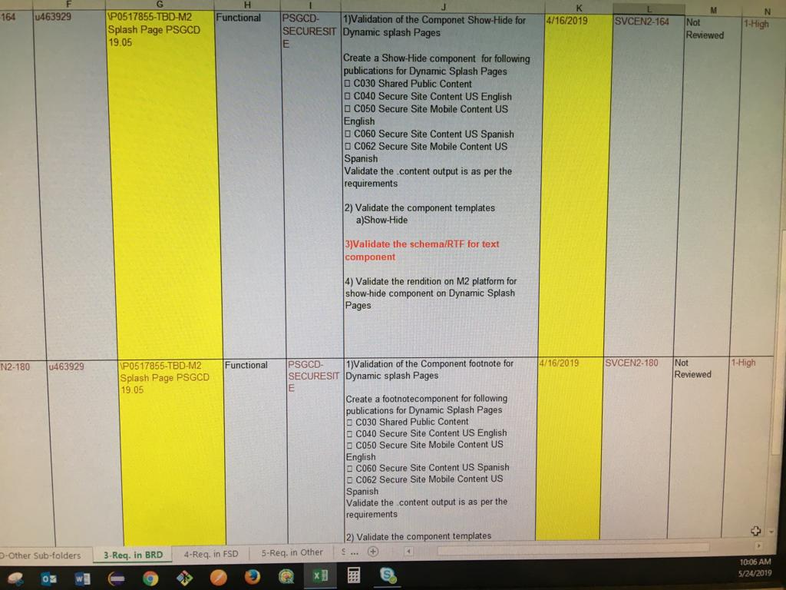
3.1 | "Home " Manu Tab | Verify the Manu tab "Home" Manu Link on Home page wich are on the top of the page | url ="www.demoqa.com" | 1. Open the Browser 2. Enter the URL 3. Click on Home Manu Link | User Should be Navigate to the Home page |  |  |  | Pass
3.2 | "Interacton" Manu Tab | Verify the Manu tab "Interaion " Manu Link on Home page wich are right to the Home Link on the top of the page | url ="www.demoqa.com" | 1. Open the Browser 2. Enter the URL 3. Click on Interation Manu Link | User Should be Navigate to the Interation page |  |  |  | Pass
3.3 | "Wighets " Manu Tab | Verify the Manu tab "Wighets " Manu Link on Home page wich are right to the Interation Link on the top of the page | url ="www.demoqa.com" | 1. Open the Browser 2. Enter the URL 3. Click on Widets Manu Link | User Should be Navigate to the Widgets page |  |  |  | Pass
3.4 | "Wighets " Manu Tab | Verify the Manu tab "Tooltip and Duoble click" Manu Link on Home page wich are right to the Widgets Link on the top of the page | url ="www.demoqa.com" | 1. Open the Browser 2. Enter the URL 3. Click on Tooltip and Duoble click Manu Link | User Should be Navigate to the "Tooltip and Duoble click" page |  |  |  | Pass
4 | Validation "Intrations" | Verify the "Intrations" Text and sub lick on Home page wich are below the Home Tab in the left side | url ="www.demoqa.com" | 1. Open the Browser 2. Enter the URL 3. Validate the Intrations | Should be Intractions Tax and intractions sub link avelable below the Home Tab in the left side |  |  |  | Pass
4.1 | Validation "Intrations" Sub Link options | Verify the "Intrations" Sub link "Sortable" wich are below the Intrations in the left side | url ="www.demoqa.com" | Step 1 - Open the browser Step 2 - Enter the url Step 3 - Click on "Sortable" link | User Should be naviagate to the "Sortable Page" and user able to see Sortable Table list |  |  |  | Fail
4.2 | Validation "Intrations" Sub Link options | Verify the "Intrations" Sub link "Selectable" wich are below the Sortable link in the left side | url ="www.demoqa.com" | Step 1 - Open the browser Step 2 - Enter the url Step 3 - Click on "Selectable" link | User Should be naviagate to the "Selectable Page" and user able to see Sortable Table list |  |  |  | Pass
4.3 | Validation "Intrations" Sub Link options | Verify the "Intrations" Sub link "Resizable" wich are below the Selectable link in the left side | url ="www.demoqa.com" | Step 1 - Open the browser Step 2 - Enter the url Step 3 - Click on "Resizable" link | User Should be naviagate to the "Resizable Page" and user able to see Sortable Table list |  |  |  | Pass
4.4 | Validation "Intrations" Sub Link options | Verify the "Intrations" Sub link "Dropable" wich are below the Resizable link in the left side | url ="www.demoqa.com" | Step 1 - Open the browser Step 2 - Enter the url Step 3 - Click on "Dropable" link | User Should be naviagate to the "Dropable Page" and user able to see Sortable Table list |  |  |  | Pass
4.5 | Validation "Intrations" Sub Link options | Verify the "Intrations" Sub link "Draggable" wich are below the Droppable link in the left side | url ="www.demoqa.com" | Step 1 - Open the browser Step 2 - Enter the url Step 3 - Click on "Draggable" link | User Should be naviagate to the "Draggable Page" and user able to see Sortable Table list |  |  |  | Pass
5 | Validate the "Widgets" and sub link | Verify the "Widgets" and Sub link as per requrment wich are below the Droppable link in the left side | url ="www.demoqa.com" | Step 1 - Open the browser Step 2 - Enter the url Step 3 - validate the Widgets and sub link | User Should be abe to see "Widgets" ans it sub libk as per requiremnt
5.1 | Validation "Widgets" | Verify the "Widgets" sub link "HTML contact form" on Home page wich are below the Draggable link Tab in the left side | url ="www.demoqa.com" | 1. Open the Browser 2. Enter the URL 3. click on HTML contact form | User shoulde be navigate to the "HTML contact form" page |  |  |  | Pass
5.2 | Validation "Widgets" | Verify the "Widgets" sub link "Keyborad Events" on Home page wich are below the HTML contace form link in the left side | url ="www.demoqa.com" | 1. Open the Browser 2. Enter the URL 3. click on Ketborad Event | User shoulde be navigate to the "Keybord Events" page
5.3 | Validation "Widgets" | Verify the "Widgets" sub link "Automation Practice Switch Windows" on Home page wich are below the Keyborad Events link in the left side | url ="www.demoqa.com" | 1. Open the Browser 2. Enter the URL 3. click on Automation Practice Switch Windows | User shoulde be navigate to the "Automation Practice Switch Windows" page
5.3 | Validation "Widgets" | Verify the "Widgets" sub link "Keyboard Events Sample Form" on Home page wich are below the Automation Practice Switch Windows link in the left side | url ="www.demoqa.com" | 1. Open the Browser 2. Enter the URL 3. click on Keyboard Events Sample Form" | User shoulde be navigate to the "Keyboard Events Sample Form" page
5.4 | Validation "Widgets" | Verify the "Widgets" sub link "Tooltip and Double click" on Home page wich are below the Keyboard Events Sample Form link in the left side | url ="www.demoqa.com" | 1. Open the Browser 2. Enter the URL 3. click on Tooltip and Double click | User shoulde be navigate to the "Tooltip and Double click" page
6 | Validation "HTML contact form" Page Logo | Varify the HTML contact form Logo which are the on Top center of the page | url ="www.demoqa.com" | 1. Open the Browser 2. Enter the URL 3. click on HTML contact form 4. validate "HTML contact form" Logo | Logo should be avelabe on the page which are Top in the center of the page and logo should HTML cap. Latter and other charater are small chractor
6.1 | Validation "HTML contac form" | Varify the HTML contact form with valid data | 1.url ="www.demoqa.com" 2.Frist Name=Mukesh 3.Last Name=Patel 4.County= Hudson | 1. Open the Browser 2. Enter the URL 3. click on HTML contact form 4. Enter the Frist Name 5. Enter the Last Name 6. Enter the County 7. Click on Submit Button | User should be Naviagate to the so and so so page aa per requirmrnt
6.2 | Validation "HTML contac form" | Varify the HTML contact form with invalid data | 1.url ="www.demoqa.com" 2.Frist Name=Mukesh123 3.Last Name=Patel$%% 4.County= Hudson12^7 | 1. Open the Browser 2. Enter the URL 3. click on HTML contact form 4. Enter the Frist Name 5. Enter the Last Name 6. Enter the County 7. Click on Submit Button | User should be Naviagate to the so and so so page aa per requirmrnt
7 | Validation "HTML contac form" | Varify the Try to find these links with partial text Lable | url ="www.demoqa.com" | 1. Open the Browser 2. Enter the URL 3. click on HTML contact form 4. varify the Try to find these links with partial text | User should be able see "Try to find these links with partial text"
7.1 | Validation "HTML contac form" | Varify the "Google Link" which are blow the Try to find these links with partial text | url ="www.demoqa.com" | 1. Open the Browser 2. Enter the URL 3. click on HTML contact form 4. click on "Google Link" | User Should be Navigate to the Google Home page
7.2 | Validation "HTML contac form" | Varify the "Google Link is here" which are blow on the Google Link | url ="www.demoqa.com" | 1. Open the Browser 2. Enter the URL 3. click on HTML contact form 4. click on "Google Link is here" | User Should be Navigate to the Google Home page
8 | Validation "HTML contac form" | Varify the Subject Text box wich are below "Google link is here" | url ="www.demoqa.com" | 1. Open the Browser 2. Enter the URL 3. click on HTML contact form 4. Enter the data in the Text box | User Should be able to entrind data in the text box
9 | Validation "Intraction" Manu | Varify the "Intaration" Manu which are top on the page right to Home manu | url ="www.demoqa.com" | 1. Open the Browser 2. Enter the URL 3. click on "Interation" | User should be Navigae to the Interation Page
10 | Validation "Widgets" Manu | Varify the "Widgets" Manu which are top on the page right to the Interation manu | url ="www.demoqa.com" | 1. Open the Browser 2. Enter the URL 3. click on "Widgets" | User should be Navigae to the Widgets Page
11 | Validation "Tooltip and Duble click" Manu | Varify the "Tooltip and Duuble click" Manu which are top on the page right to the Widgets manu | url ="www.demoqa.com" | 1. Open the Browser 2. Enter the URL 3. click on "Tooltip and Double click" | User should be Navigae to the Tooltip and Double click Page

5.3

1.30
1.31
1.32
1.33
1.34
1.35
1.36
1.37
1.38
1.39
1.40
1.41
1.42
1.43
1.44
1.45
1.46
1.47
1.48
1.49

1
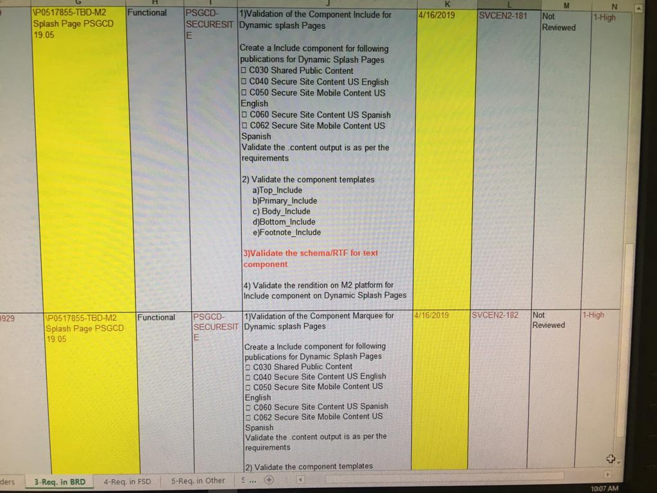

3
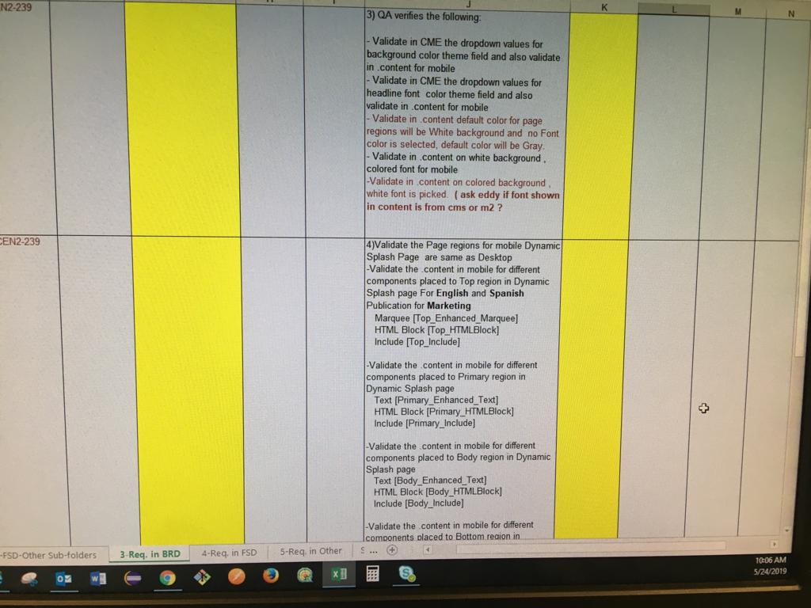

4
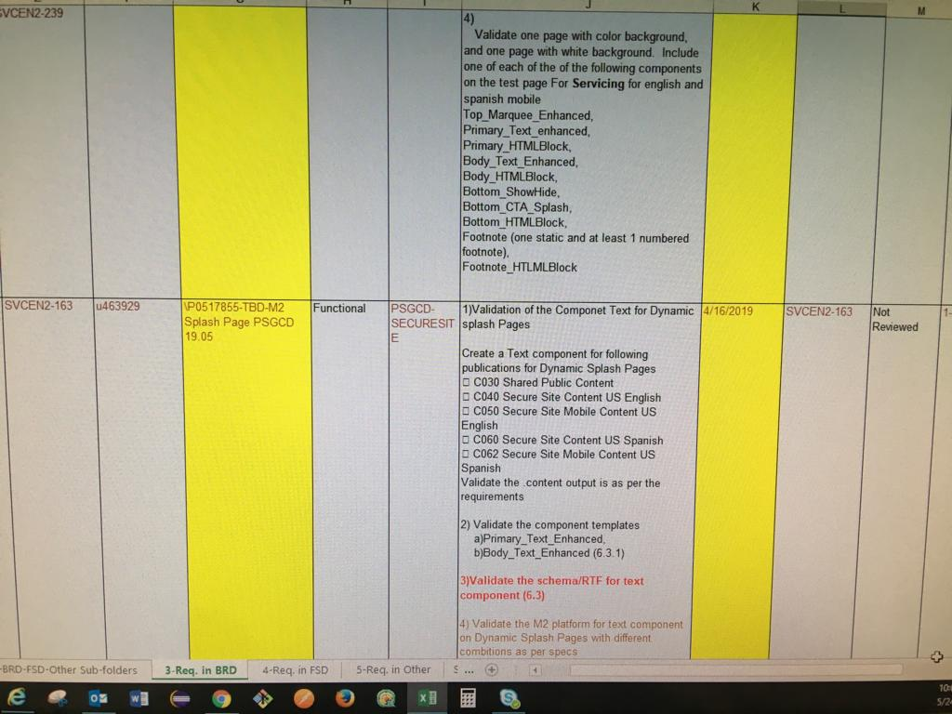

5
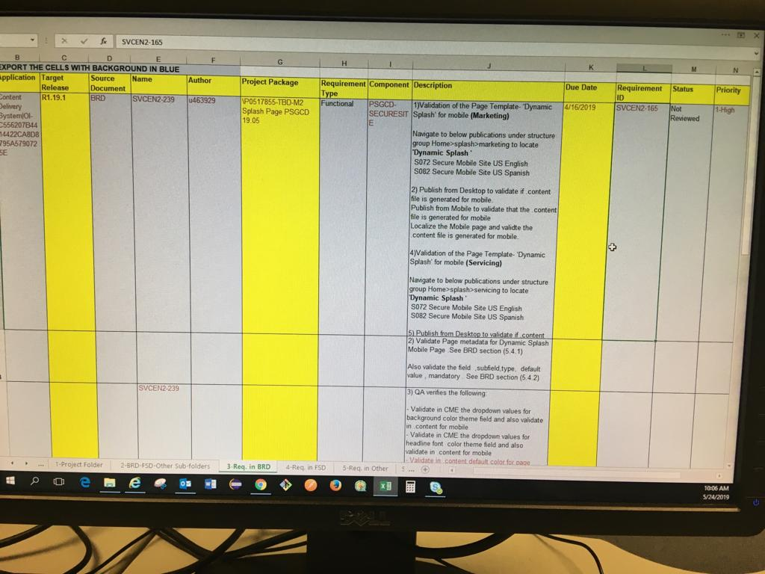

6
